common gene
39 common elements in "Mtb", "Porphyrin", "AMA02194" and "AMA01127": | 12 common elements in "Mtb", "Porphyrin" and "AMA01127": | 13 common elements in "Mtb", "Porphyrin" and "AMA02194": | 39 common elements in "Mtb", "AMA02194" and "AMA01127": | 47 common elements in "Mtb" and "Porphyrin": | 2 common elements in "Porphyrin", "AMA02194" and "AMA01127":
GSTP1 | NOS3 | HDAC5 | MMP3 | ACACA | CHRM5
CAPN1 | SOAT1 | CYP2A6 | SLC6A9 | FPR2 | GPR17
ABCC1 | SIRT1 | TBXA2R | PTGS2 | PKN1
NFE2L2 | CDC25B | BLM | PPARA | NLK
KLF5 | FOLH1 | EGLN1 | ABCG2 | GAK
GRIN1 | TMPRSS6 | TBXAS1 | NOS2 | NR3C1
FPR1 | TDP1 | PSMB5 | APP | VDR
CTSD | ERAP1 | LDHB | GGPS1 | CACNA1H
ATG4B | ADAM10 | CDK5R1 | YES1 | SLC9A1
NR1I2 | HRH3 | THRA | EPHB2 | CAMK2D
XDH | CNR2 | CDK2 | CBX4 | HK1
CSNK2A1 | PTPN2 | HDAC9 | GRK5 | NR3C2
GLS |  | ADORA1 | ADORA2B | MME
GRIN2B |  |  | GRIA2 | APEX1
NFKB1 |  |  | FAAH | HTR2A
ITGB1 |  |  | TFPI | TERT
CDC25C |  |  | ANPEP | CDK1
TOP2A |  |  | PDGFRA | PLAT
DPP8 |  |  | MIF | CLK2
SCN3A |  |  | ALOX5 | HSD11B2
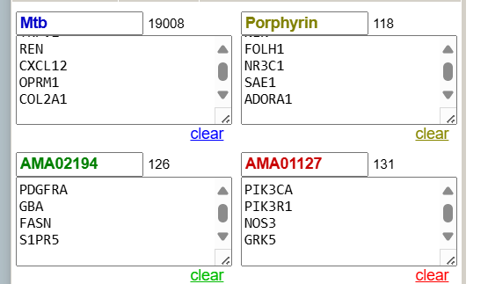
NTRK3 |  |  | CXCR4 | PTGS1
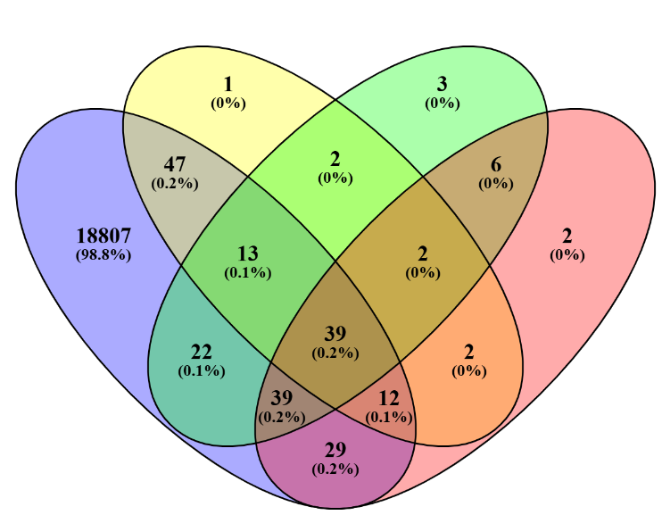
DUSP3 |  |  | PIK3R1 | TACR2
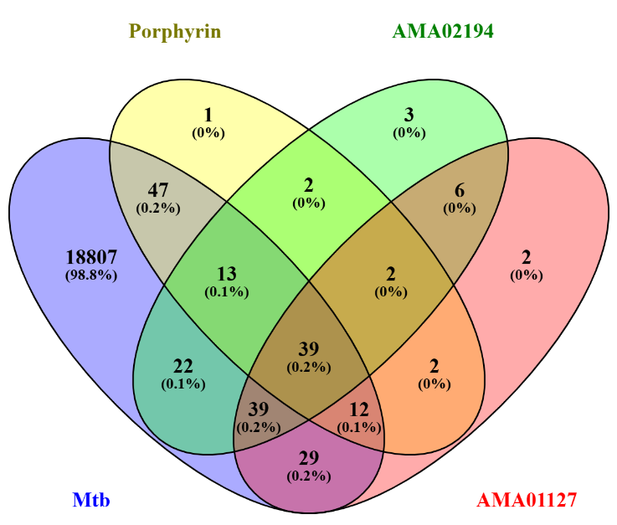
CSNK2B |  |  | LDHA | MAOA
KDM1A |  |  | TDP2 | HDAC11
TRIM24 |  |  | KLK1 | SAE1
ITGA4 |  |  | NPC1 | METAP2
TOP1 |  |  | CES2 | TANK
PRCP |  |  | PTK2B | HDAC7
LGALS3 |  |  | GABRA1 | C5AR1
GPBAR1 |  |  | GABRB2 | BMP2K
KLK7 |  |  | PIK3CA | F13A1
S1PR5 |  |  | GUSB | SIGMAR1
CYSLTR2 |  |  | MAOB | PRMT5
DCUN1D1 |  |  | HSP90AB1 | CHRM1
GLRA1 |  |  | HDAC8 | ACACB
CLK4 |  |  | RAB9A | MMP12
PSMD5 |  |  | PDE11A | PPIA
HTR7 |  |  | GABRB3 | F2RL1
HTR2C |  |  | SIRT2 | AR
 |  |  |  | TMEM173
 |  |  |  | RPS6KA6
 |  |  |  | ITK
 |  |  |  | CACNA1B
 |  |  |  | SPHK2
 |  |  |  | PKN2
 |  |  |  | TDO2
 |  |  |  | CYP19A1

